Input
Supporting the Clean Energy Transition of the HORECA value chain (EE4HORECA project)

#1: Value chain model: Input data

The value chain is the series of processes involved in the supply of HORECA services, from when raw materials are firstly made until final services are offered to the guests. These processes are managed by a set of companies operating with different purposes and at different stages, thus creating a network.

This value chain consists of three stages, i.e., suppliers, transportation and HORECA activities.

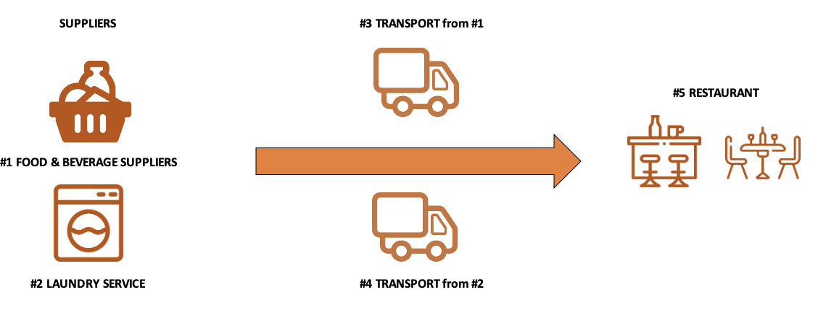

Your own value chain may look different. In that case, you may omit or aggregate input of some stages to match your own chain. If you need a more differentiated view, please use a separate workbook.
#1: Food and Beverage supplier |  |  | Default values
Demand rate of fresh food and beverage (0/4°C) |  | [kg/year]
Demand rate of frozen food and beverage (-18/0°C) |  | [kg/year]
Demand rate of food and beverage at ambient temperature |  | [kg/year]
Ambient temperature (average value in the hottest season) |  | [°C]
Reference warehouse temperature (Fresh) |  | [°C]
Reference warehouse temperature (Frozen) |  | [°C]
Annual electrical energy consumption |  | [kWh/year] | 0
Annual natural gas consumption |  | [m³/year] | 0
Annual gasoil consumption |  | [l/year] | 0
Storage size |  | [m³]
Production rate |  | [kg/year]
Average warehouse utilisation (material volume/storage size) |  | [%]
Average storage time at the warehouse |  | [h]

ENERGY CONSUMPTION SHARE
Refrigeration |  |  | 20%
Processing |  |  | 35%
Lighting |  |  | 10%
HVAC |  |  | 20%
Other |  |  | 15%

 | #DIV/0! | [kg/food covers]

#2: Laundry service
Demand rate of laundry services |  | [kg/year]
Annual electrical energy consumption |  | [kWh/year] | 0
Annual natural gas consumption |  | [m³/year] | 0
Annual gasoil consumption |  | [l/year] | 0
Average warehouse utilisation (material volume/storage size)
Average storage time at the warehouse |  | [h]

ENERGY CONSUMPTION SHARE
Processing |  |  | 35%
Hot Water |  |  | 30%
Lighting |  |  | 10%
HVAC |  |  | 20%
Other |  |  | 5%

 | #DIV/0! | [kg/food covers]

#3: Transport from stage #1
Fresh products
Vehicle
Fuel type |  |  | Gas/Diesel oil
Travel type
Average distance - roundtrip |  | [km]
Travel time requiring refrigeration (average) |  | [h]
Distance travelled per lt of fuel |  | [km/l] | 5–10
Electrical power |  | [kW] | 10–15
Payload |  | [kg]
Average number of trip per year
Frozen products
Vehicle
Fuel type |  |  | Gas/Diesel oil
Travel type
Average distance - roundtrip |  | [km]
Travel time requiring refrigeration (average) |  | [h]
Distance travelled per lt of fuel |  | [km/l] | 3–5
Electrical power |  | [kW] | 15–20
Payload |  | [kg]
Average number of trip per year
Products at ambient temperature
Vehicle
Fuel type |  |  | Gas/Diesel oil
Travel type
Average distance - roundtrip |  | [km]
Distance travelled per lt of fuel |  | [km/l]; [km/kWh] | 7–12
Payload |  | [kg]
Average number of trip per year

Transport saturation | #DIV/0!

#4: Transport from stage #2
Vehicle
Fuel type |  |  | Gas/Diesel oil
Travel type
Average distance - roundtrip |  | [km]
Distance travelled per lt of fuel |  | [km/l] | 7–12
Payload |  | [kg]
Average number of trip per year

Transport saturation | #DIV/0!

#5: Restaurant
Food covers per year |  | [food covers/year]
Total number of tables
Average occupancy rate (Number of tables occupied/total number of tables)

INTERNAL SERVICES
Laundry and Cleaning
Bar

Ambient temperature (average value in the coldest season) |  | [°C]
Ambient temperature (average value in the hottest season) |  | [°C]
Reference inside temperature (Winter) |  | [°C]
Reference inside temperature (Summer) |  | [°C]
Annual electrical energy consumption |  | [kWh/year] | 0
Annual natural gas consumption |  | [m³/year] | 0
Annual gasoil consumption |  | [l/year] | 0

ENERGY CONSUMPTION SHARE
HVAC |  |  | 25%
Hot Water |  |  | 15%
Lighting |  |  | 10%
Cooking |  |  | 30%
Refrigeration |  |  | 15%
Other |  |  | 5%

Results
Supporting the Clean Energy Transition of the HORECA value chain (EE4HORECA project)

#1: Value chain model: Results

In this sheet the results of the value chain model applied to the input data are reported in terms of specific energy consumption (SEC) by energy carrier.

These results are reported for each stage of the chain. This allows the identification of stages with the highest energy consumption.

This information can serve as a basis to support decision makers in the prioritization of the energy efficiency measures to reduce the overall enery consumption of the specific value chain.

Specific energy consumption per stage | Specific energy consumption by energy carriers |  |  |  |  |  | Specific economic impact (EU-mix) | Specific environmental impact (EU-mix)
 | [kWh/food covers] |  |  |  |  |  | €/food cover | kg CO2/food cover
 | Electricity | Natural gas | Gas/Diesel oil | Liquified Petroleum Gas (LPG) | Motor spirit (petrol) | Total
#1: Food and Beverage supplier | #DIV/0! | #DIV/0! | #DIV/0! | 0.000 | 0.000 | #DIV/0! | #DIV/0! | #DIV/0!
#2: Laundry service | 0.000 | 0.000 | 0.000 | 0.000 | 0.000 | 0.000 | 0 | 0.000
#3: Transport from stage #1 | #DIV/0! | #DIV/0! | #DIV/0! | #DIV/0! | #DIV/0! | #DIV/0! | #DIV/0! | #DIV/0!
#4: Transport from stage #2 | 0.000 | #DIV/0! | #DIV/0! | #DIV/0! | #DIV/0! | #DIV/0! | #DIV/0! | #DIV/0!
#5: Restaurant | #DIV/0! | #DIV/0! | #DIV/0! | 0.000 | 0.000 | #DIV/0! | #DIV/0! | #DIV/0!

Total | #DIV/0! | #DIV/0! | #DIV/0! | #DIV/0! | #DIV/0! | #DIV/0! | #DIV/0! | #DIV/0!

Specific energy consumption by energy carriers

BENCHMARKING
Specific Energy Consumption
 | Performance | max | min | avg
#1: Food and Beverage supplier | 0.000 | 0.000 | 0.000 | 0.000
#2: Laundry service | 0.000 | 0.000 | 0.000 | 0.000
#3: Transport from stage #1 | 0.000 | 0.000 | 0.000 | 0.000
#4: Transport from stage #2 | 0.000 | 0.000 | 0.000 | 0.000
#5: Restaurant | 0.000 | 10.473 | 0.375 | 5.205
TOTAL | 0.000 | 0.000 | 0.000 | 0.000
Specific Economic Impact
 | Performance | max | min | avg
#1: Food and Beverage supplier | 0.000 | 0.000 | 0.000 | 0.000
#2: Laundry service | 0.000 | 0.000 | 0.000 | 0.000
#3: Transport from stage #1 | 0.000 | 0.000 | 0.000 | 0.000
#4: Transport from stage #2 | 0.000 | 0.000 | 0.000 | 0.000
#5: Restaurant | 0.000 | 1.302 | 0.052 | 0.738
TOTAL | 0.000 | 0.000 | 0.000 | 0.000
Specific Environmental Impact
 | Performance | max | min | avg
#1: Food and Beverage supplier | 0.000 | 0.000 | 0.000 | 0.000
#2: Laundry service | 0.000 | 0.000 | 0.000 | 0.000
#3: Transport from stage #1 | 0.000 | 0.000 | 0.000 | 0.000
#4: Transport from stage #2 | 0.000 | 0.000 | 0.000 | 0.000
#5: Restaurant | 0.000 | 2.518 | 0.094 | 1.317
TOTAL | 0.000 | 0.000 | 0.000 | 0.000

Electricity
 | Performance | max | min | avg
#1: Food and Beverage supplier | 0% | 100% | 29% | 94%
#2: Laundry service | 0% | 77% | 42% | 65%
#3: Transport from stage #1 | 0% | 0% | 0% | 0%
#4: Transport from stage #2 | 0% | 0% | 0% | 0%
#5: Restaurant | 0% | 96% | 3% | 60%
TOTAL | 0% | 0% | 0% | 0%
Motor spirit
 | Performance | max | min | avg
#1: Food and Beverage supplier | 0% | 0% | 0% | 0%
#2: Laundry service | 0% | 0% | 0% | 0%
#3: Transport from stage #1 | 0% | 0% | 0% | 0%
#4: Transport from stage #2 | 0% | 0% | 0% | 0%
#5: Restaurant | 0% | 0% | 0% | 0%
TOTAL | 0% | 0% | 0% | 0%
Natural gas
 | Performance | max | min | avg
#1: Food and Beverage supplier | 0% | 11% | 0% | 1%
#2: Laundry service | 0% | 58% | 23% | 35%
#3: Transport from stage #1 | 0% | 0% | 0% | 0%
#4: Transport from stage #2 | 0% | 0% | 0% | 0%
#5: Restaurant | 0% | 97% | 4% | 40%
TOTAL | 0% | 0% | 0% | 0%
Gas/Diesel oil
 | Performance | max | min | avg
#1: Food and Beverage supplier | 0% | 71% | 0% | 5%
#2: Laundry service | 0% | 0% | 0% | 0%
#3: Transport from stage #1 | 0% | 100% | 100% | 100%
#4: Transport from stage #2 | 0% | 100% | 100% | 100%
#5: Restaurant | 0% | 0% | 0% | 0%
TOTAL | 0% | 0% | 0% | 0%
LPG
 | Performance | max | min | avg
#1: Food and Beverage supplier | 0% | 0% | 0% | 0%
#2: Laundry service | 0% | 0% | 0% | 0%
#3: Transport from stage #1 | 0% | 0% | 0% | 0%
#4: Transport from stage #2 | 0% | 0% | 0% | 0%
#5: Restaurant | 0% | 0% | 0% | 0%
TOTAL | 0% | 0% | 0% | 0%

